Scenarios
Scenarios

Network Segments Options

Option 1. Last-mile+Aggregation+3rd Party |  |  |  |  | Option 2. Only Last-mile+3rd Party |  | Option 3. Last-mile+Aggregation (Self-managed network)
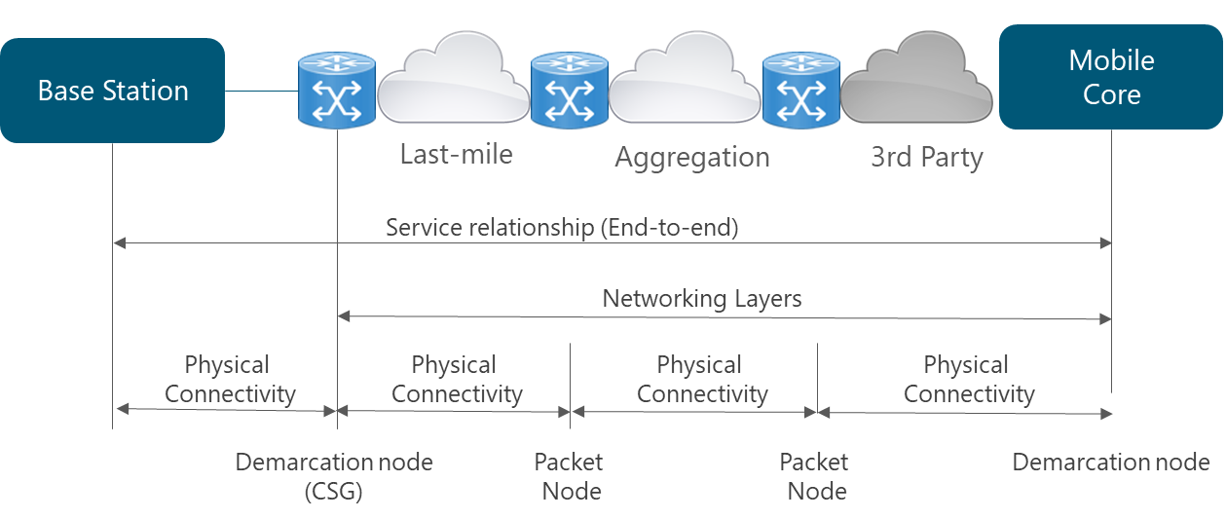
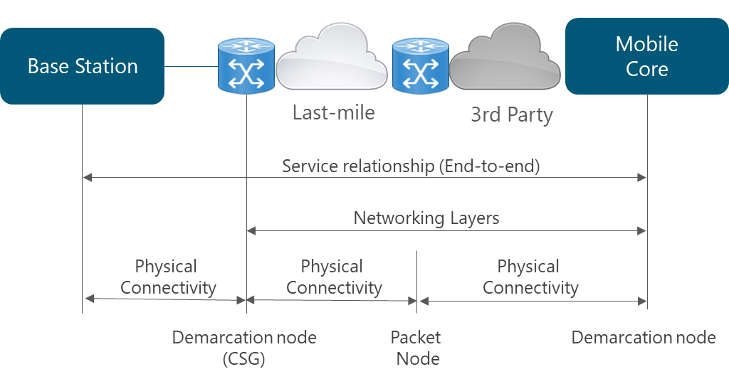
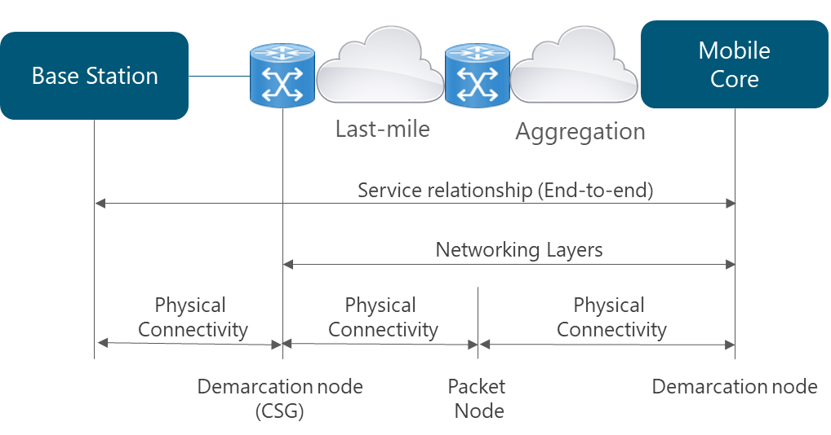

IP Protocol Selection

Option 1. Last-mile+Aggregation+3rd Party |  |  |  |  | Option 2. Only Last-mile+3rd Party |  | Option 3. Last-mile+Aggregation (Self-managed network)
Type |  |  |  | Recommended option | Type | Recommended option | Type | Recommended option
L1 Layer |  |  |  | Ethernet Interfaces in all ports: - 1G for last-mile interfaces. - 10G for aggregation interfaces. | L1 Layer | Ethernet Interfaces in all ports: - 1G for last-mile interfaces. | L1 Layer | Ethernet Interfaces in all ports: - 1G for last-mile interfaces. - 10G for aggregation interfaces.
L2 Layer |  |  |  | - Ethernet - Support of 802.1q and 802.ad used in VLAN. | L2 Layer | - Ethernet - Support of 802.1q and 802.ad used in VLAN. | L2 Layer | - Ethernet - Support of 802.1q and 802.ad used in VLAN.
L3 Layer |  |  |  | - Support of IPv4 and IPv6 dual stack - Static routing for a single site in the last-mile. - OSPF in aggregation network - BGP for connection to 3rd Party Networks - Support for complementary protocols (ICMP, ARP) | L3 Layer | - Support of IPv4 and IPv6 dual stack - Static routing for a single site in the last-mile. - OSPF in last-mile when multiple routes are available (e.g. ring topology) - BGP for connection to 3rd Party Networks - Support for complementary protocols (ICMP, ARP) | L3 Layer | - Support of IPv4 and IPv6 dual stack - Static routing for a single site in the last-mile. - OSPF in aggregation network - BGP for connection to External Networks (e.g. Internet) - Support for complementary protocols (ICMP, ARP)
L4 Layer |  |  |  | - UDP - SCTP - TCP | L4 Layer | - UDP - SCTP - TCP | L4 Layer | - UDP - SCTP - TCP

VLAN Configuration

Option 1. 4 VLANs |  |  |  |  | Option 2. 3 VLANs |  | Option 3. 2 VLANs |  | Option 4. 1 VLANs
Type |  |  |  | Recommended option | Type | Recommended option | Type | Recommended option | Type | Recommended option
VLAN Configuration |  |  |  | Four VLANs, one for each of the following planes: - User plane - Control Plane - Management Plane - Synchronization Plane | VLAN Configuration | Three VLANs in the following configuration: - One VLAN for: User plane - One VLAN for: Control Plane + Synchronization Plane - One VLAN for: Management Plane | VLAN Configuration | Two VLANs in the following configuration: - One VLAN for: User plane + Control Plane + Synchronization Plane - One VLAN for: Management Plane | VLAN Configuration | One VLAN for all the following planes: - User plane - Control Plane - Management Plane - Synchronization Plane

Redundancy and Fault Detection Mechanisms

Option 1. Medium (Only in aggregation) |  |  |  |  | Option 2. High (Last-mile + aggregation) |  | Option 3. Medium (Only Last-mile) |  | Option 4. High (Only Last-mile)
Type |  |  |  | Recommended option | Type | Recommended option | Type | Recommended option | Type | Recommended option
Microwave Protection |  |  |  | -Microwave Protection Scheme 1+1 in critical aggregation links | Microwave Protection | -Microwave Protection Scheme 1+1 in critical last-mile and all aggregation links | Microwave Protection | -Microwave Protection Scheme 1+1 in critical last-mile links | Microwave Protection | -Microwave Protection Scheme 1+1 in all last-mile links
Link Redundancy |  |  |  | -Ethernet Link Aggregation in critical aggregation links | Link Redundancy | -Ethernet Link Aggregation in critical last-mile and all aggregation links | Link Redundancy | -Ethernet Link Aggregation in critical last-mile links | Link Redundancy | -Ethernet Link Aggregation in critical all last-mile links
Router Redundancy Protocols |  |  |  | -Router Redundancy Protocols in critical aggregation links | Router Redundancy Protocols | -Router Redundancy Protocols in all aggregation nodes | Router Redundancy Protocols | -Non applicable | Router Redundancy Protocols | -Non applicable
Fault detection mechanisms |  |  |  | -Bidirectional Forwarding Detection in critical aggregation links | Fault detection mechanisms | -Bidirectional Forwarding Detection in all aggregation nodes | Fault detection mechanisms | -Non applicable | Fault detection mechanisms | -Non applicable

Additional Security Considerations

Option 1. 3rd party network |  |  |  |  | Option 2. Untrusted network |  | Option 3. Self-managed network
Type |  |  |  | Recommended option | Type | Recommended option | Type | Recommended option
Network Element Security |  |  |  | -Mandatory Network Element Security Mechanisms in all nodes in the network. | Network Element Security | -Mandatory Network Element Security Mechanisms in all nodes in the network. | Network Element Security | -Mandatory Network Element Security Mechanisms in all nodes in the network.
IPSec |  |  |  | - IPsec for protecting the LTE control traffic | IPSec | - Full IPsec protection (control and user traffics) | IPSec | - No IPsec is required.
Management Plane Security |  |  |  | -TLS protocol required for management plane | Management Plane Security | -TLS protocol required for management plane | Management Plane Security | -TLS protocol required for management plane

# base stations | Options | Availability | VLANs
0 -50 | Yes | Medium (At least 99.9% in each segment) | 4
More than 50 | No | High (At least 99.99% in each segment) | 3
I don't know |  |  | 2
 |  |  | 1

